Patient Volume Trends
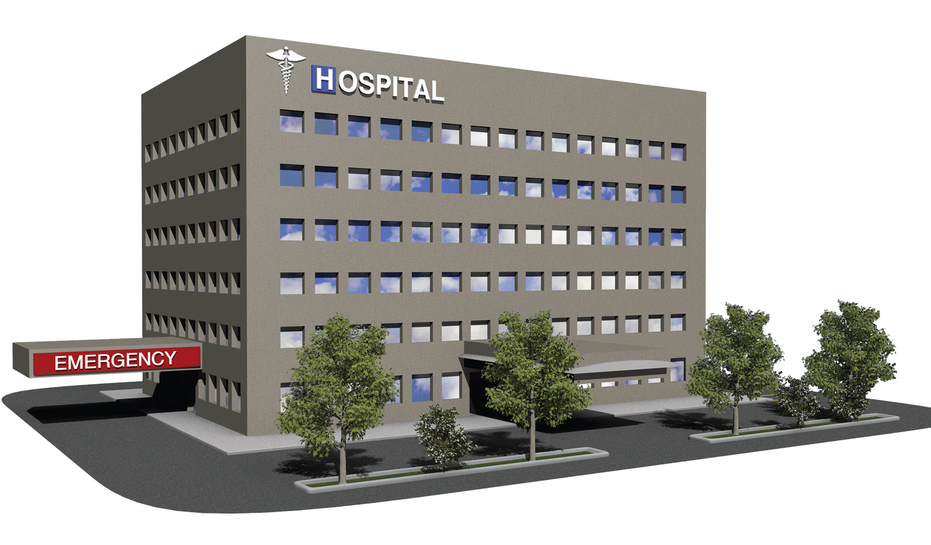
Health Care Project

 | Total Cost | Ave. Days in Hospital | Average Cost | Patients | Doctors
 | $1,417,432,043 | 15.5 | $25,539.32 | 40,235 | 40,341
Age Group
 | Total
10 - 20 | 2,443
21 - 30 | 8,056
31 - 40 | 8,125
41 - 50 | 8,209
51 - 60 | 8,297
61 - 70 | 8,228
Over 70 | 12,142
Gender
 | Total
Female | 27,726
Male | 27,774
Admission_Type
 | Total
Elective | 18,655
Emergency | 18,269
Urgent | 18,576

Frequent Medications
 | Total
Arthritis | 9,308
Asthma | 9,185
Cancer | 9,227
Diabetes | 9,304
Hypertension | 9,245
Obesity | 9,231
Test Result Distribution
 | Total
Abnormal | 18627
Inconclusive | 18356
Normal | 18517
Patient Volume by Insurance Provider
 | Total
Aetna | 10,913
Blue Cross | 11,059
Cigna | 11,249
Medicare | 11,154
UnitedHealthcare | 11,125

Top 10 Most Visited Hospitals
 | Total
LLC Smith | 44
Ltd Smith | 39
Johnson PLC | 38
Smith Ltd | 37
Smith PLC | 36
Smith Group | 36
Johnson Inc | 35
Smith Inc | 34
Group Smith | 32
Smith LLC | 32
Seasonal patterns in Admission
 | Sum of Billing_Amount | Count of Admission_Year
2019 | $189,849,325.14 | 7,387
2020 | $286,551,589.20 | 11,285
2021 | $280,155,881.29 | 10,931
2022 | $281,082,337.56 | 11,017
2023 | $281,977,253.23 | 11,026
2024 | $97,815,656.98 | 3,854

